Summary
...
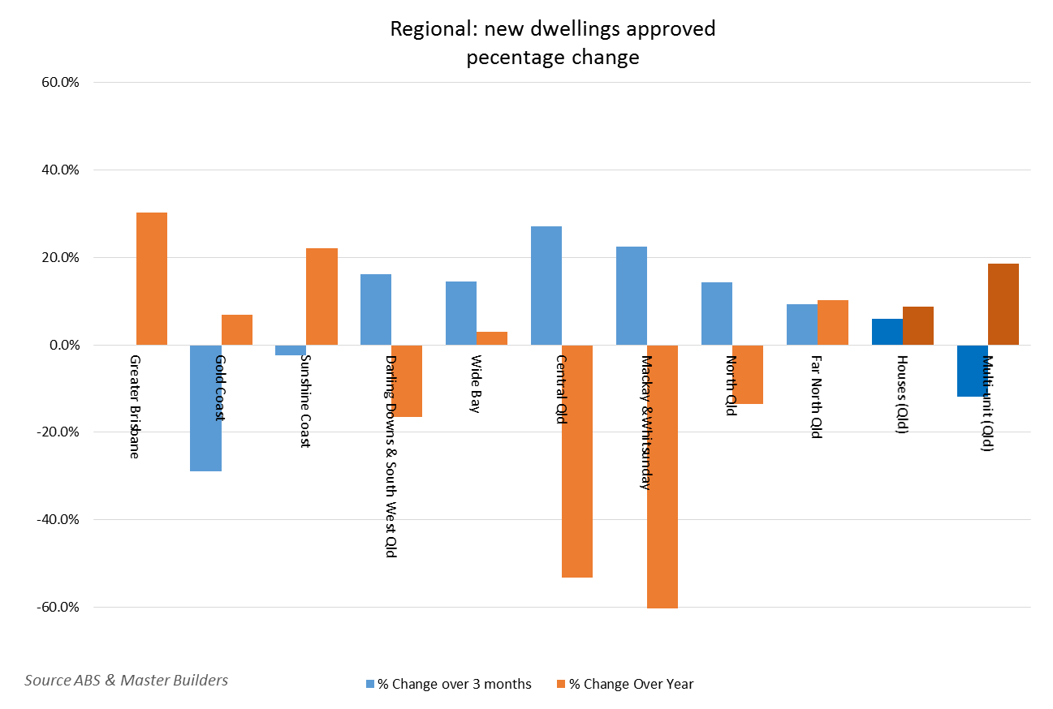
% Change over 3 months | Total Current 12 Months | Total Previous 12 Months | % Change Over Year
-0.2% | 26,734 | 20,521 | 30.3%
-3.8% | 10,830 | 8,986 | 20.5%
2.0% | 15,904 | 11,535 | 37.9%
-28.9% | 4,765 | 4,458 | 6.9%
38.8% | 2,383 | 1,872 | 27.3%
-61.1% | 2,582 | 2,586 | -0.2%
-2.4% | 3,425 | 2,806 | 22.1%
7.4% | 2,705 | 1,946 | 39.0%
-30.4% | 720 | 860 | -16.3%
16.1% | 1,827 | 2,190 | -16.6%
11.3% | 1,252 | 1,322 | -5.3%
28.7% | 575 | 868 | -33.8%
14.5% | 1,498 | 1,454 | 3.0%
19.2% | 1,340 | 1,294 | 3.6%
-10.5% | 158 | 160 | -1.3%
27.0% | 775 | 1,654 | -53.1%
25.7% | 649 | 1,291 | -49.7%
35.3% | 126 | 363 | -65.3%
22.4% | 560 | 1,580 | -64.6%
22.7% | 460 | 1,079 | -57.4%
20.0% | 100 | 501 | -80.0%
14.3% | 1,567 | 1,813 | -13.6%
7.7% | 1,098 | 1,332 | -17.6%
54.8% | 469 | 481 | -2.5%
9.3% | 1,151 | 1,045 | 10.1%
4.4% | 1,039 | 950 | 9.4%
77.8% | 112 | 95 | 17.9%

