Summary
...
% Change over 3 months | Total Current 12 Months | Total Previous 12 Months | % Change over year
50.4% | 23,414 | 30,531 | -23.3%
18.8% | 11,702 | 11,471 | 2.0%
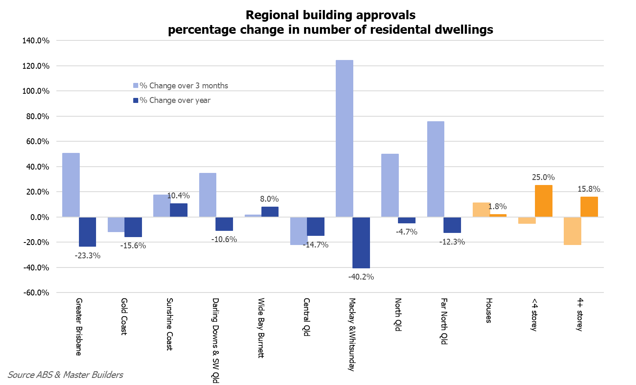
32.9% | 6,001 | 7,287 | -17.6%
255.6% | 5,711 | 11,773 | -51.5%
-11.6% | 6,914 | 8,190 | -15.6%
7.4% | 3,439 | 3,699 | -7.0%
89.4% | 1,339 | 1,582 | -15.4%
-84.7% | 2,136 | 2,909 | -26.6%
17.5% | 4,847 | 4,390 | 10.4%
-1.7% | 3,314 | 3,275 | 1.2%
18.5% | 773 | 894 | -13.5%
290.2% | 760 | 221 | 243.9%
34.8% | 1,519 | 1,699 | -10.6%
36.9% | 1,060 | 1,115 | -4.9%
29.7% | 459 | 584 | -21.4%
- | 0 | 0 | -
1.7% | 1,694 | 1,568 | 8.0%
9.2% | 1,566 | 1,435 | 9.1%
-65.9% | 128 | 133 | -3.8%
- | 0 | 0 | -
-21.9% | 599 | 702 | -14.7%
16.8% | 518 | 628 | -17.5%
100.0% | 19 | 74 | -74.3%
-100.0% | 62 | 0 | -
124.3% | 235 | 393 | -40.2%
118.9% | 233 | 341 | -31.7%
- | 2 | 52 | -96.2%
- | 0 | 0 | -
50.0% | 901 | 945 | -4.7%
51.3% | 779 | 788 | -1.1%
340.0% | 70 | 121 | -42.1%
-100.0% | 52 | 36 | 44.4%
75.5% | 1,166 | 1,330 | -12.3%
76.0% | 1,067 | 1,189 | -10.3%
62.5% | 64 | 121 | -47.1%
- | 35 | 20 | 75.0%
 |  |  | Source Master Builders & ABS

