Summary
...
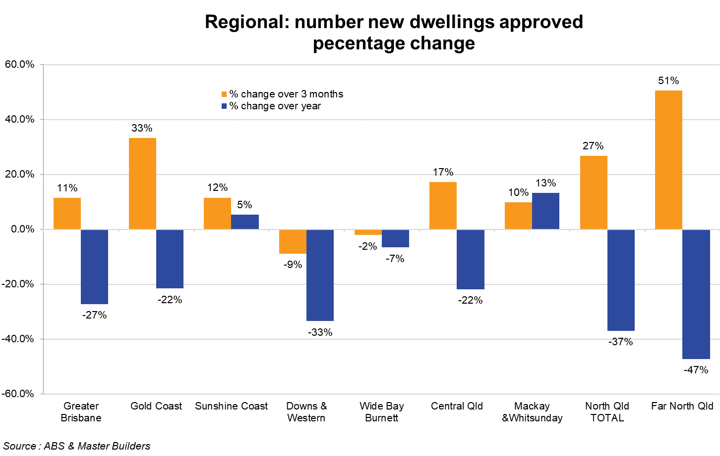
% change over 3 months | Total current 12 Months | Total previous 12 Months | % change over year
11.5% | 18,761 | 25,771 | -27.2%
1.8% | 11,755 | 14,967 | -21.5%
31.8% | 6,973 | 10,804 | -35.5%
33.3% | 4,883 | 6,222 | -21.5%
4.4% | 2,418 | 2,783 | -13.1%
81.0% | 2,448 | 3,439 | -28.8%
11.5% | 4,683 | 4,445 | 5.4%
40.6% | 2,929 | 3,360 | -12.8%
-38.1% | 1,712 | 1,085 | 57.8%
-8.9% | 1,038 | 1,559 | -33.4%
-6.8% | 826 | 1,239 | -33.3%
-27.1% | 203 | 320 | -36.6%
-2.1% | 1,443 | 1,545 | -6.6%
1.6% | 1,388 | 1,462 | -5.1%
-64.7% | 51 | 83 | -38.6%
17.2% | 383 | 490 | -21.8%
-15.9% | 328 | 410 | -20.0%
272.7% | 54 | 80 | -32.5%
9.8% | 582 | 514 | 13.2%
9.8% | 581 | 496 | 17.1%
- | 0 | 18 | -100.0%
26.8% | 468 | 742 | -36.9%
18.5% | 430 | 698 | -38.4%
80.0% | 31 | 44 | -29.5%
50.6% | 916 | 1,736 | -47.2%
23.3% | 791 | 1,150 | -31.2%
263.2% | 117 | 586 | -80.0%
 |  |  | Source Master Builders & ABS
...

